Notes-1
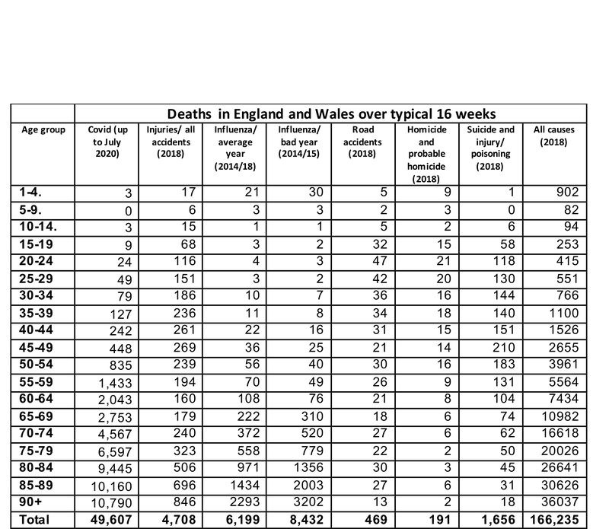
Name | How have Covid-19 fatalities compared with other causes of death?
Producer | Winton Centre for Risk and Evidence Communication
Reporting Period | 2018 and first 16 weeks of 2020
Link | https://wintoncentre.maths.cam.ac.uk/coronavirus/how-have-covid-19-fatalities-compared-other-causes-death/
Tab | Table in article

Each row is the number of deaths by cause in an age group.
Column | Description
age_group | Age groups in text format.
age_rank | Ranks the age groups, with 1 being the youngest.
covid_deaths_12mar2021 | The number of deaths involving COVID-19 registered up to 12th March 2021.
injuries_accidents_2018 | Injuries and accidental deaths in 2018.
influenza_avg_2014_2018 | Influenza average deaths (2014 to 2018), scaled by 16/52 and adjusted to the population.
influenza_2014_15 | Influenza deaths in 2014/15, scaled by 16/52 and adjusted to the population.
road_accidents_2018 | Road accident deaths in 2018, scaled by 16/52.
homicide_2018 | Homicide and probable homicide, scaled by 16/52.
suicide_poison_2018 | Deaths by suicide and injury/poison of undetermined intent, scaled by 16/52.
all_causes_2018 | Deaths from all causes in 2018.

Appendix – Sources of data

Deaths involving COVID-19
Covid deaths are given by the weekly bulletins from the Office for National Statistics. This includes 49,607 deaths with Covid on the death certificate, registered up to 3rd July 2020. This total will increase.
Deaths from Influenza in an average year
Data was taken from Public Health England Surveillance of influenza and other respiratory viruses in the UK, winter 2018 to 2019 report (page 51). Since the original data covers England only and comes in wide age-bands (0-4, 5-14, 15-64, 65+ years), it was adjusted to England and Wales’ population and 5-year age-band, by using deaths in 2018 due to influenza and pneumonia (Nomis, LC28) as a reference to redistribute the number of influenza cases. For example, in order to estimate flu deaths in the 55-59 age-group:
Average influenza deaths in 15-64 year group between 2014-2018 (PHE) = 1000.
Total of flu and pneumonia deaths in 15-64 years olds (Nomis) = 2089.
Total of flu and pneumonia deaths in 55-59 years olds (Nomis) = 452.
So 55-59 year-olds represent 21.6% (452/2089) out of the 2089 flu and pneumonia deaths in 15-64 year olds.
Estimated number of influenza deaths in 55-59 years olds using PHE data and Nomis’ age distribution 1000 * 0.216 = 216.
England and Wales’ population (2018) /England’s population (2018) = 59,115,831/ 55,977,200= 1.056
The number of influenza deaths in 55-59 adjusted to England and Wales population= 216 * 1.056= 229.
Deaths from influenza in a bad year
Calculations were done as above based on 2014/15 numbers, the year with most influenza cases reported from the 2014-2019 period.
Deaths from injuries/all accidents (2018)
Data was taken from Nomis official labour market statistics from the Office for National Statistics (ONS). Data were filtered by England and Wales, 2018, all group ages, gender total, the underlying cause of death: Accidents (LC01). The accidents included are:
- Accidental drowning and submersion (LC01a)
- Accidental falls (LC01b)
- Accidental poisoning (LC01c)
- Accidental threats to breathing (LC01d)
- Land transport accidents (LC01e)
- Non-intentional firearm discharge (LC01f)
As with subsequent data from Nomis, this information is based on England and Wales’s population and deaths are by 5-year bands and so adjustments were not required, except combining the number of cases from the groups ‘under 1 year’ and ‘1-4 years’.
Deaths in road accidents (2018):
Data was taken from Nomis, filtered by England and Wales, 2018, all group ages, gender total, underlying cause of death: Land Transport Accidents (LC01e).
Suicides
Data was taken from Nomis, filtered by England and Wales, 2018, all group ages, gender total, underlying cause of death: Suicide and injury/poisoning of undetermined intent (LC41). The source specifies that Deaths to Suicide and injury/poisoning of undetermined intent includes all ages and will not match ONS publications which exclude deaths under 10 years of age.
Homicides:
Data was taken from Nomis, filtered by England and Wales, 2018, all group ages, gender total, underlying cause of death: Homicide and probable homicide

